Plan1
 |  |  | Sources:
Horizontal timing |  |  | http://martin.hinner.info/vga/timing.html
Parameter | Value | Unit | https://en.wikipedia.org/wiki/Video_Graphics_Array#Specifications
Pixel clock frequency | 25,175 | MHz[10] | https://electronics.stackexchange.com/questions/166757/can-reading-vga-signals-from-my-computer-harm-the-hardware
Horizontal frequency | 31,469 | kHz | How to interface CPU writes to VRAM and reads from VGA board to the same memory:
Horizontal pixels | 640 |  | https://electronics.stackexchange.com/questions/268136/interface-between-two-different-bus-speeds
Horizontal sync polarity | Negative
Total time for each line | 31,778 | µs
Front porch (A) | 0.636 | µs
Sync pulse length (B) | 3,813 | µs
Back porch (C) | 1,907 | µs
Active video (D) | 25,422 | µs

Pixel clock freq | 25175000
active video (D) | 0.000025422 | sec
D divided by 640 pixels | 0.00000003972188 | cycle duration time (aprox 40 ns)
above inverted = | 25175045.236 | aprox. 25.175 MHz
Front porch (A) | 0.000000636 | sec
 | 16.01132877 | cycles
Sync pulse (B) | 0.000003813 | sec
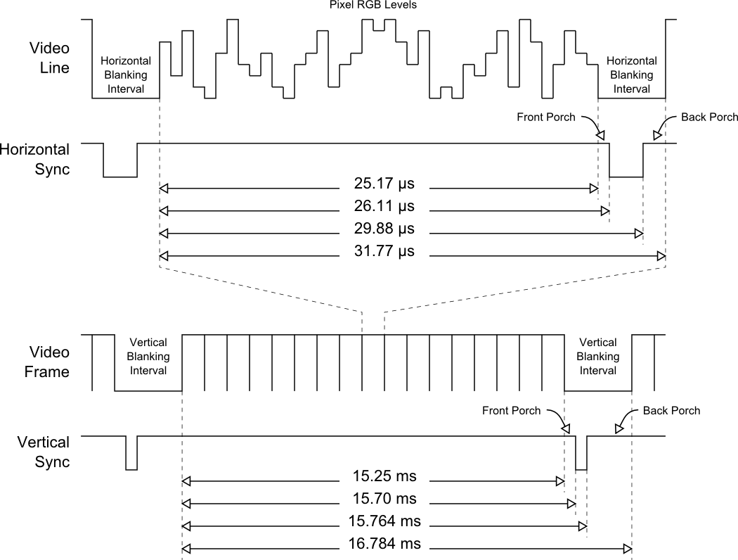
 | 95.992447486 | cycles
Back porch (C) | 0.000001907 | sec
 | 48.008811266 | cycles

total cycles | 800.01258752
total time per line | 0.000031778 | 31,778 us

Vertical timing
Parameter | Value | Unit
Vertical lines | 480
Vertical sync polarity | Negative
Vertical frequency | 59.94 | Hz
Total time for each frame | 16,683 | ms
Front porch (A) | 0.318 | ms
Sync pulse length (B) | 0.064 | ms
Back porch (C) | 1,048 | ms
Active video (D) | 15,253 | ms

total time per line | 0.000031778 | cycle duration time
active video time (D) | 0.015253 | sec
number of lines | 479.98615394 | aprox 480 lines
front porch (A) | 0.000318 | sec
 | 10.006923029 | cycles
sync pulse lenght (B) | 0.000064 | sec
 | 2.0139719303 | cycles
back porch (C) | 0.001048 | sec
 | 32.978790358 | cycles

total cycles | 524.98583926
total time per frame | 0.016683 | sec
frames per second | 59.941257568

